Script
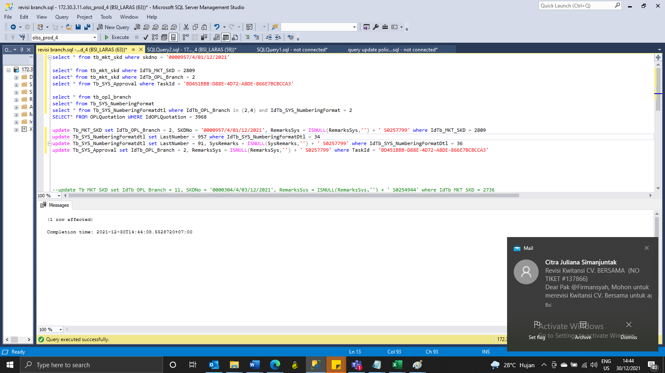
update Tb_MKT_SKD set IdTb_OPL_Branch = 2, SKDNo = '0000957/4/01/12/2021', RemarksSys = ISNULL(RemarksSys,'') + ' S0257799' where IdTb_MKT_SKD = 2809
update Tb_SYS_NumberingFormatdtl set LastNumber = 957, SysRemarks = ISNULL(SysRemarks,'') + ' S0257799' where IdTb_SYS_NumberingFormatDtl = 34
update Tb_SYS_NumberingFormatdtl set LastNumber = 91, SysRemarks = ISNULL(SysRemarks,'') + ' S0257799' where IdTb_SYS_NumberingFormatDtl = 36
update Tb_SYS_Approval set IdTb_OPL_Branch = 2, RemarksSys = ISNULL(RemarksSys,'') + ' S0257799' where TaskId = 'BD451BBB-D88E-4D72-A8DE-866E7BCBCCA3'

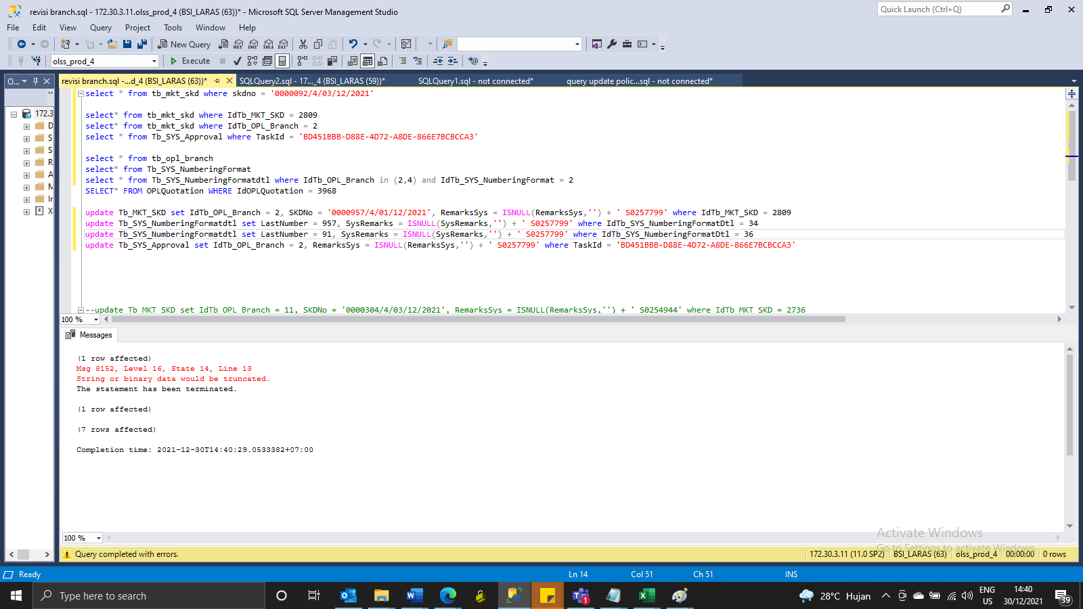

update Tb_SYS_NumberingFormatdtl set LastNumber = 957 where IdTb_SYS_NumberingFormatDtl = 34

Screenshot
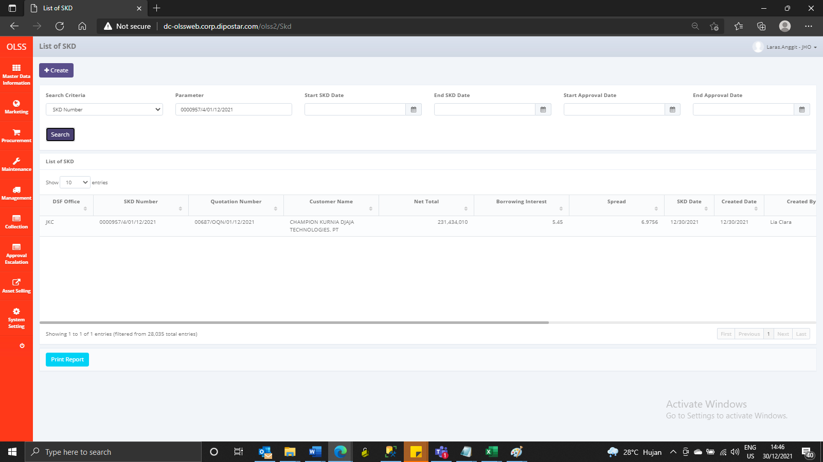
BEFORE


AFTER

